Solar Sizing
Module Data (STC) |  |  |  |  | Entry Fields |  |  | Step 1: Enter Module & Temps
Open Circuit Voltage | Voc | V | 50.5 | Positive only
Maximum Power Voltage | Vmp | V | 49.4 | Positive only
Short Circuit Current | Isc | A | 8.84 | 16.9 A max
Maximum Power Current | Imp | A | 8.30 | 13.5 A max
Temp. Coeff. of Voc | βvoc | %/⁰C | -0.24% | Values have to be negative; never less than -1%
Temp. Coeff. Of Max Power | βmp | %/⁰C | -0.24% | Values have to be negative; never less than -1%
Maximum Power | Pmax | W | 410 | 700 W max

Location Temperature |  |  |  | Temp Lookup
Degrees |  |  | C | Choose C or F
Lowest Temperature |  |  | 0
Highest Temperature |  |  | 40

System Info
System Location |  |  | Rooftop | Default

System Size |  |  |  |  | Size Allowed / Inverter |  |  | Step 2:
Size Wanted / Existing |  |  | 20 |  | Min | Max |  | Enter in System Size Desired
Units |  |  | Module Qty |  | 4 | 120 | Modules
 |  |  |  |  | 1.64 | 49.2 | kW

Module Voltage (Adjusted) |  | String Lengths |  |  |  | Actual Array Characteristics |  | ** Max string size rounds down
Voc @ Min. Temp |  | Inverter Size | Min | Max |  | 20 | Module Qty | ** Will cause Actual DC / AC Ratio to be lower than limit
53.5 | v | 3.8 | 4 | 8 |  | 8.2 | System Size (kW) | ** Min string size rounds up
Vmp @ Max. Temp |  | 7.6 | 5 | 10
44.7 | v | 11.4 | 5 | 10

 | Qty. |  |  |  |  |  |  | Step 3: System Configuration
3.8 Inverters | 0 |  |  |  |  |  |  | ** OR will appear next to the quantity if upsizing the inverter is desired
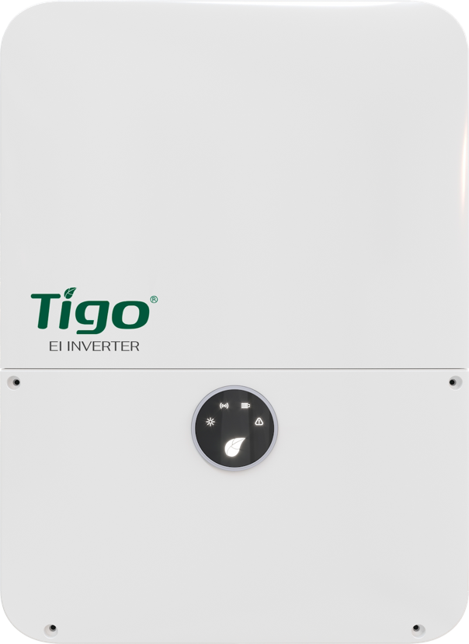
Inverter 1: MPPT Configuration |  |  | Inverter 2: MPPT Configuration |  |  | Inverter 3: MPPT Configuration
Mppt # | Module Qty |  | Mppt # | Module Qty |  | Mppt # | Module Qty
1 | - |  | 1 | - |  | 1 | -
2 | - |  | 2 | - |  | 2 | -
DC/AC Ratio | 0% |  | DC/AC Ratio | 0% |  | DC/AC Ratio | 0%

7.6 Inverters | Qty.
 | 1

Inverter 1: MPPT Configuration |  |  | Inverter 2: MPPT Configuration |  |  | Inverter 3: MPPT Configuration
Mppt # | Module Qty |  | Mppt # | Module Qty |  | Mppt # | Module Qty
1 | 10 |  | 1 | - |  | 1 | -
2 | 10 |  | 2 | - |  | 2 | -
3 | 0 |  | 3 | - |  | 3 | -
DC/AC Ratio | 111% |  | DC/AC Ratio | 0% |  | DC/AC Ratio | 0%

11.4 Inverters | Qty.
OR | 1

Inverter 1: MPPT Configuration |  |  | Inverter 2: MPPT Configuration |  |  | Inverter 3: MPPT Configuration
Mppt # | Module Qty |  | Mppt # | Module Qty |  | Mppt # | Module Qty
1 | 10 |  | 1 | - |  | 1 | -
2 | 10 |  | 2 | - |  | 2 | -
3 | 0 |  | 3 | - |  | 3 | -
4 | - |  | 4 | - |  | 4 | -
DC/AC Ratio | 73% |  | DC/AC Ratio | 0% |  | DC/AC Ratio | 0%

Terms & Conditions
THE USER OF THIS TOOL HAS ACKNOWLEDGED:

The EI Inverter & String Sizing Tool is offered free of charge as a guide only.

It is the responsibility of the system design engineer to ensure that the PV module characteristics and system settings are appropriate for the system being considered.

The user agreees to use this EI Inverter & String Sizer Tool spreadsheet at their own risk and with the knowledge that Tigo Energy will not be liable to the user for any damages, injury or death as a result of use of the EI Inverter & String Sizing Tool.

PN: 002-00198-00 | version 1.0

